Definitions
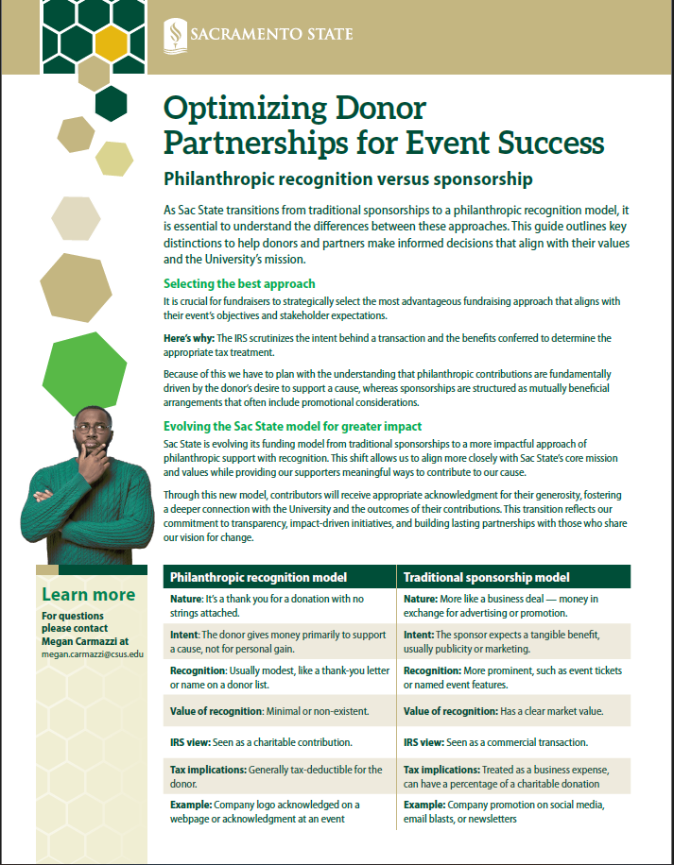
Premium/Benefit: If an individual/company receives something in return for the contribution, the payment amount is reduced by the fair market value of all benefits given, according to U.S. Internal Revenue Service regulations. Benefit transactions are recorded in the University’s books not under the University Foundation at Sacramento State.

Philanthropic Gifts: A contribution received by an institution for either unrestricted or restricted use in the furtherance of the institution for which it has made no commitment of resources or services other than, possibly, committing to use the gift as the donor specifies. The contribution is a nonreciprocal transfer in that there is no implicit or explicit statement of exchange, purchase of services, or provision of exclusive information. Gifts are typically tax deductible for the donor. It is the University’s practice to process gifts through the University Foundation at Sacramento State.

Advertising: (Always has benefit) Use of the following: - qualitative or comparative language - price information - indications of savings or value - an endorsement or an inducement to purchase, sell, or use such products or services.

Acknowledgement: (Does not have benefit): - Logo - Mention in printed material - Time to speak about why event or event mission is important

